Risk-o-meter_August 31 2025
Sl No. | Fund Code | Fund Name | Riskometer | Riskometer Image | Benchmark | Benchmark Riskometer
1 | 209 | UTI - Arbitrage Fund | Low |  | Nifty 50 Arbitrage Index | Low
2 | 156 | UTI - Overnight Fund | Low |  | CRISIL Liquid Overnight Index | Low
3 | 253 | UTI Annual Interval Fund - I | Low |  | Nifty Low Duration Debt Index A-I | Low To Moderate | 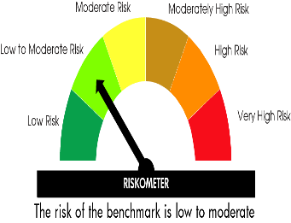
4 | 766 | UTI NIFTY SDL Plus AAA PSU Bond Apr 2028- 75:25 Index Fund | Low to Moderate |  | Nifty SDL Plus AAA PSU Bond Apr 2028 75:25 Index | Low to Moderate
5 | 765 | UTI Fixed Term Income Fund Series XXXVI - I (1574 Days) | Low to Moderate |  | CRISIL Short Duration Debt A-II Index | Low to Moderate
6 | 764 | UTI NIFTY SDL Plus AAA PSU Bond Apr 2026 75:25 Index Fund | Low to Moderate |  | Nifty SDL Plus AAA PSU Bond Apr 2026 75:25 Index | Low to Moderate
7 | 762 | UTI CRISIL SDL Maturity June 2027 Index Fund | Low to Moderate |  | CRISIL IBX SDL Index – Maturity June 2027 | Low to Moderate
8 | 713 | UTI - Floater Fund | Low to Moderate |  | CRISIL Short Duration Debt A-II Index | Low to Moderate
9 | 446 | UTI Banking & PSU Fund | Low to Moderate |  | Nifty Banking & PSU Debt Index A-II | Low To Moderate
10 | 078 | UTI - Money Market Fund | Low to Moderate |  | CRISIL Money Market A-I Index | Low to Moderate
11 | 759 | UTI Fixed Term Income Fund - Series XXXV-I (1260Days) | Low to Moderate |  | CRISIL Medium Term Debt Index | Moderate
12 | 760 | UTI Fixed Term Income Fund - Series XXXV-II (1223 Days) | Low to Moderate |  | CRISIL Medium Term Debt Index | Moderate
13 | 763 | UTI Fixed Term Income Fund - Series XXXV-III (1176 days) | Low to Moderate |  | CRISIL Medium Term Debt Index | Moderate
14 | 540 | UTI Medium Duration Fund | Moderate | 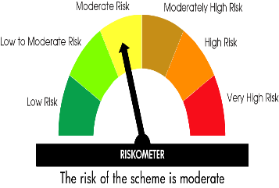 | Nifty Medium Duration Debt Index A-III | Moderate
15 | 777 | UTI Nifty 5 yr Benchmark G-Sec ETF | Moderate |  | Nifty 5 yr Benchmark G-Sec Index | Moderate
16 | 778 | UTI Nifty 10 yr Benchmark G-Sec ETF | Moderate |  | Nifty 10 yr Benchmark G-Sec Index | Moderate
17 | 103 | UTI Medium to Long Duration Fund | Moderate |  | CRISIL Medium to Long Duration Debt A-III Index | Moderate
18 | 767 | UTI Long Duration Fund | Moderate |  | Nifty Long Duration Debt Index A-III | Moderate
19 | 761 | UTI CRISIL SDL Maturity April 2033 Index Fund | Moderate |  | CRISIL IBX SDL Index – Maturity April 2033 | Moderate
20 | 757 | UTI Gilt Fund with 10 year Constant Duration | Moderate |  | CRISIL 10 Year Gilt Index | Moderate
21 | 340 | UTI - Dynamic Bond Fund. | Moderate |  | CRISIL Dynamic Bond A-III Index | Moderate
22 | 171 | UTI - Gilt Fund | Moderate |  | CRISIL Dynamic Gilt Index | Moderate
23 | 176 | UTI Ultra Short Duration Fund | Moderate |  | Nifty Ultra Short Duration Debt Index A-I | Low To Moderate
24 | 154 | UTI Short Duration Fund | Moderate |  | CRISIL Short Duration Debt A-II Index | Low to Moderate
25 | 703 | UTI - Corporate Bond Fund | Moderate |  | Nifty Corporate Bond Index A-II | Low To Moderate
26 | 165 | UTI Low Duration Fund | Moderate |  | Nifty Low Duration Debt Index A-I | Low To Moderate
27 | 153 | UTI - Liquid Fund | Moderate |  | Nifty Liquid Index A-I | Low To Moderate
28 | 786 | UTI Income Plus Arbitrage Active Fund of Fund | Moderate |  | 60% CRISIL Short Term Bond Fund Index + 40% Nifty 50 Arbitrage TRI | Low to Moderate
29 | 704 | UTI - Equity Savings Fund | Moderately High |  | CRISIL Equity Savings Index | Moderate
30 | 399 | UTI - Credit Risk Fund. | Moderately High |  | CRISIL Credit Risk Debt B-II Index | Moderately High | 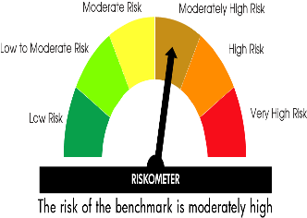
31 | 177 | UTI Conservative Hybrid Fund | Moderately High |  | Nifty 50 Hybrid Composite Debt 15:85 Index | Moderately High
32 | 055 | UTI Children's Hybrid Fund | High |  | CRISIL Short Term Debt Hybrid 60+40 Index | Moderately High
33 | 064 | UTI Retirement Fund | High |  | CRISIL Short Term Debt Hybrid 60+40 Index | Moderately High
34 | 233 | UTI - Gold Exchange Traded Fund | High |  | Price of Gold | High
35 | 002 | UTI - Unit Linked Insurance Plan | High |  | Nifty 50 Hybrid Composite Debt 50:50 Index | High
36 | 758 | UTI Gold ETF Fund of Fund | Very High | 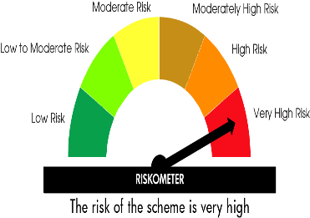 | Price of Gold | High
37 | 773 | UTI Balanced Advantage Fund | Very High |  | Nifty 50 Hybrid Composite Debt 50:50 Index | High
38 | 066 | UTI Aggressive Hybrid Fund | Very High |  | CRISIL Hybrid 35+65 - Aggressive Index | High
39 | 562 | UTI BSE Sensex ETF | Very High |  | BSE Sensex TRI | Very High | 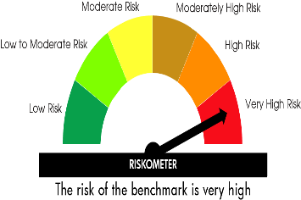
40 | 728 | UTI - BSE Sensex Next 50 Exchange Traded Fund | Very High |  | BSE Sensex Next 50 TRI | Very High
41 | 752 | UTI Nifty 200 Momentum 30 Index Fund | Very High |  | Nifty 200 Momentum 30 TRI | Very High
42 | 754 | UTI BSE Sensex Index Fund | Very High |  | BSE Sensex TRI | Very High
43 | 772 | UTI BSE Housing Index Fund | Very High |  | BSE Housing TRI | Very High
44 | 771 | UTI Nifty50 Equal Weight Index Fund | Very High |  | Nifty 50 Equal Weight TRI | Very High
45 | 775 | UTI Innovation Fund | Very High |  | Nifty 500 TRI | Very High
46 | 776 | UTI Nifty IT ETF | Very High |  | Nifty IT Index | Very High
47 | 781 | UTI Nifty Alpha Low-Volatility 30 Index Fund | Very High |  | Nifty Alpha Low-Volatility 30 TRI | Very High
48 | 782 | UTI Nifty Midcap 150 Index Fund | Very High |  | Nifty Midcap 150 TRI | Very High
49 | 783 | UTI Quant Fund | Very High |  | BSE 200 TRI | Very High
50 | 785 | UTI Nifty India Manufacturing Index Fund | Very High |  | Nifty India Manufacturing TRI | Very High
51 | 784 | UTI Nifty Midsmallcap 400 Momentum Quality 100 Index Fund | Very High |  | Nifty Midsmallcap 400 Momentum Quality 100 TRI | Very High
52 | 787 | UTI Multi Cap Fund | Very High |  | Nifty 500 Multicap 50:25:25 TRI | Very High
53 | 780 | UTI Nifty Private Bank Index Fund | Very High |  | Nifty Private Bank TRI | Very High
54 | 779 | UTI Nifty 200 Quality 30 Index Fund | Very High |  | Nifty200 Quality 30 TRI | Very High
55 | 774 | UTI Nifty Midcap 150 Exchange Traded Fund | Very High |  | Nifty Midcap 150 TRI | Very High
56 | 770 | UTI Nifty 500 Value 50 Index Fund | Very High |  | Nifty 500 Value 50 TRI | Very High
57 | 769 | UTI Silver ETF Fund of Fund | Very High |  | Price of Silver | Very High
58 | 768 | UTI Silver Exchange Traded Fund | Very High |  | Price of Silver | Very High
59 | 756 | UTI Nifty Midcap 150 Quality 50 Index Fund | Very High |  | Nifty Midcap150 Quality 50 TRI | Very High
60 | 755 | UTI BSE Low Volatility Index Fund | Very High |  | BSE Low Volatility TRI | Very High
61 | 753 | UTI Focused Fund | Very High |  | Nifty 500 TRI | Very High
62 | 751 | UTI Small Cap Fund | Very High |  | Nifty Smallcap 250 TRI | Very High
63 | 745 | UTI Nifty Bank ETF | Very High |  | Nifty Bank TRI | Very High
64 | 691 | UTI - Nifty Next 50 Index Fund | Very High |  | Nifty Next 50 TRI | Very High
65 | 656 | UTI - Nifty Next 50 Exchange Traded Fund. | Very High |  | Nifty Next 50 TRI | Very High
66 | 561 | UTI Nifty 50 ETF | Very High |  | Nifty 50 TRI | Very High
67 | 163 | UTI - Banking and Financial Services Fund | Very High |  | Nifty Financial Services TRI | Very High
68 | 160 | UTI - Mid Cap Fund | Very High |  | Nifty Midcap 150 TRI | Very High
69 | 162 | UTI - Transportation and Logistics Fund | Very High |  | Nifty Transportation and Logistics TRI | Very High
70 | 118 | UTI - Healthcare Fund | Very High |  | BSE Healthcare TRI | Very High
71 | 049 | UTI Large & Mid Cap Fund | Very High |  | Nifty LargeMidcap 250 TRI | Very High
72 | 322 | UTI Multi Asset Allocation Fund | Very High |  | BSE 200 TRI, CRISIL Composite Bond Index & Price of Gold | Very High
73 | 251 | UTI - India Consumer Fund | Very High |  | Nifty India Consumption TRI | Very High
74 | 193 | UTI Value Fund | Very High |  | Nifty 500 TRI | Very High
75 | 190 | UTI - Dividend Yield Fund | Very High |  | Nifty 500 TRI | Very High
76 | 157 | UTI Children's Equity Fund | Very High |  | Nifty 500 TRI | Very High
77 | 161 | UTI - Infrastructure Fund | Very High |  | Nifty Infrastructure TRI | Very High
78 | 151 | UTI - Master Equity Plan Unit Scheme | Very High |  | BSE 100 TRI | Very High
79 | 128 | UTI Nifty 50 Index Fund | Very High |  | Nifty 50 TRI | Very High
80 | 125 | UTI ELSS Tax Saver Fund | Very High |  | Nifty 500 TRI | Very High
81 | 017 | UTI - Large Cap Fund | Very High |  | BSE 100 TRI | Very High
82 | 042 | UTI - Flexi Cap Fund. | Very High |  | Nifty 500 TRI | Very High
83 | 101 | UTI - MNC Fund | Very High |  | Nifty MNC TRI | Very High

